Coal Blending -working
Virginia Tech Electric Co.
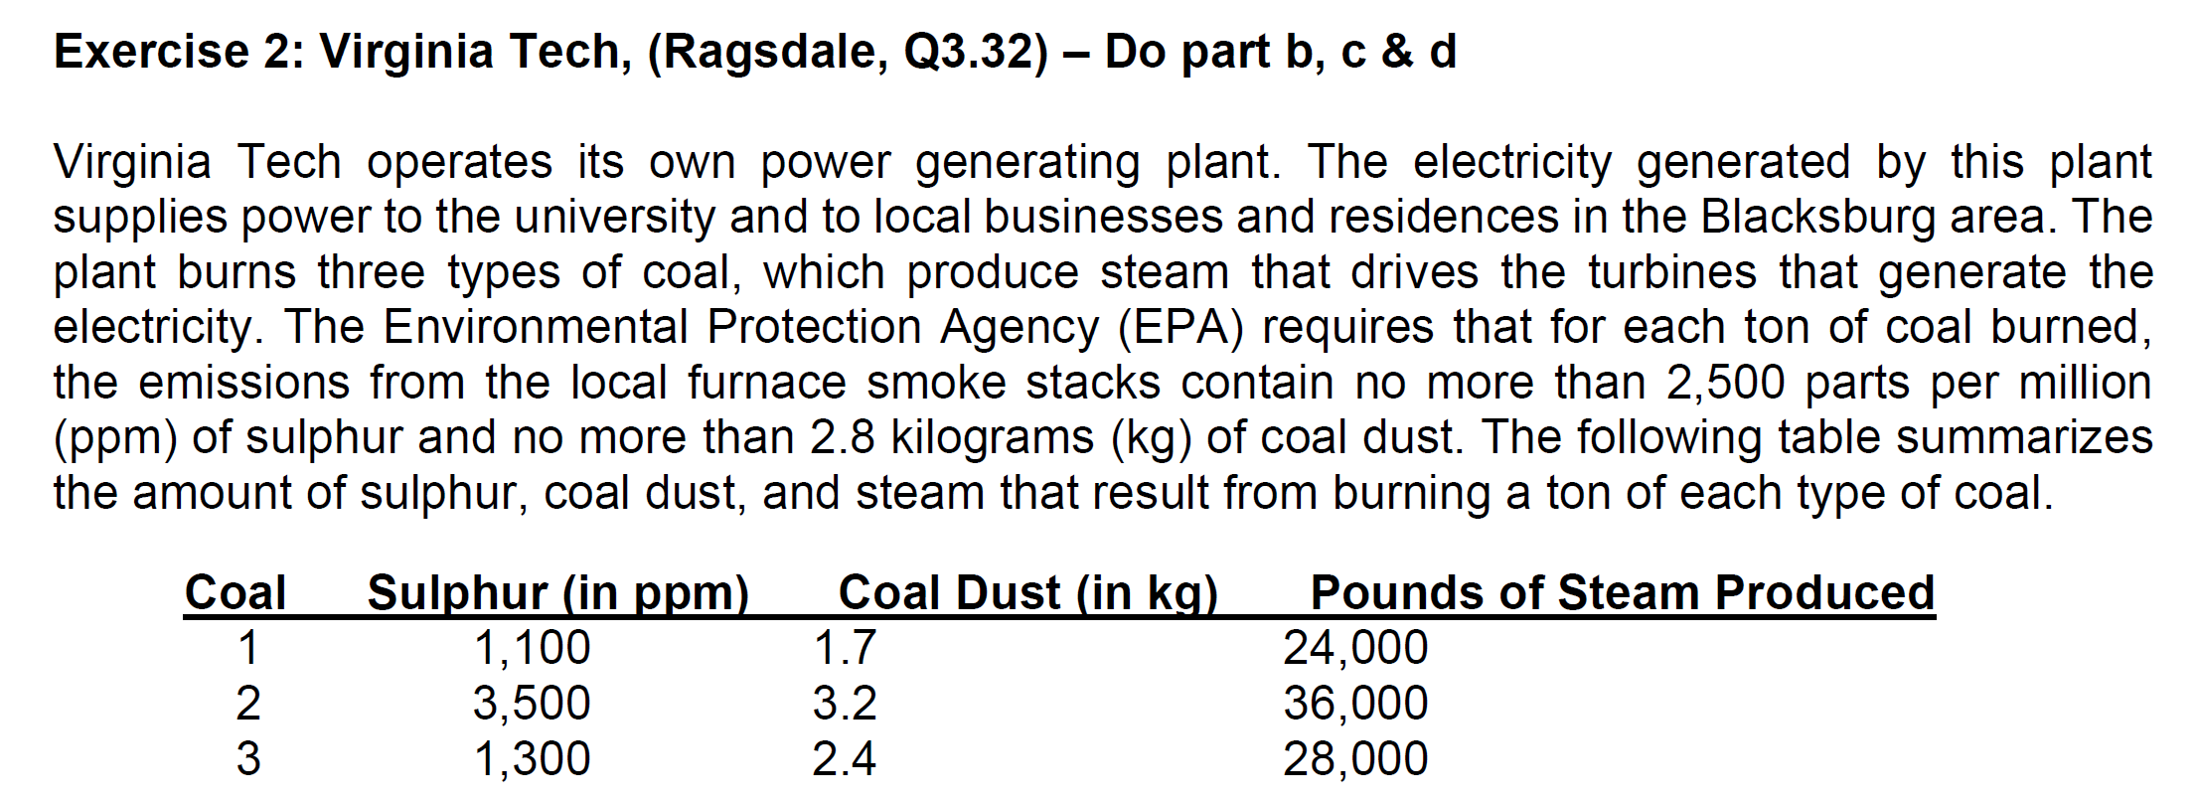
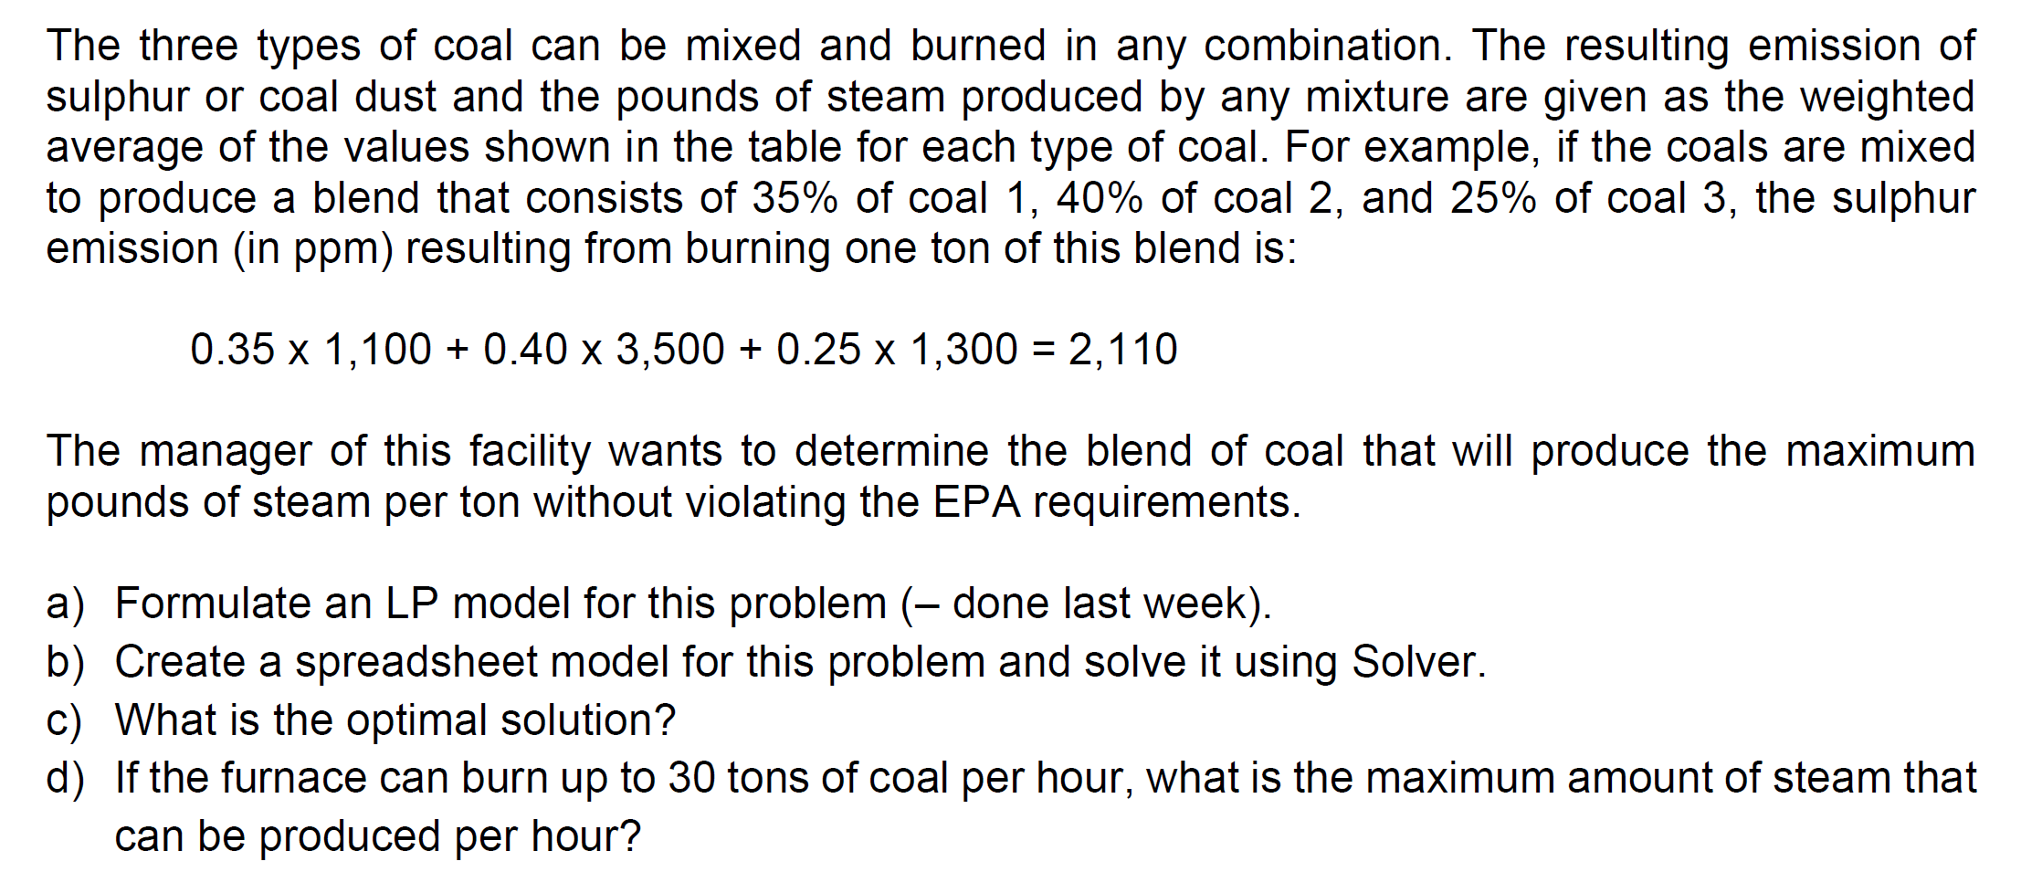
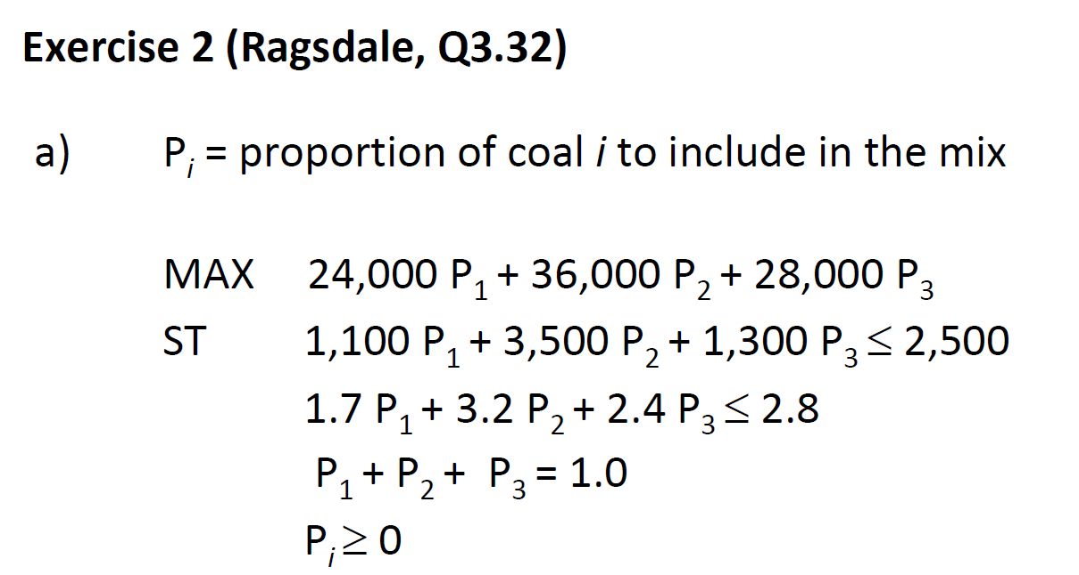
 | coal 1 | coal 2 | coal 3 | obj
variable | P1 | P2 | P3

 | 24,000 | 36,000 | 28,000

Resoureces Req'd |  |  |  | Used | Available (RHS)
Sulphur | 1,100 | 3,500 | 1,300 |  | 2,500
coal dust | 1.7 | 3.2 | 2.4 |  | 2.8
 | 1 | 1 | 1 |  | 1

Coal Blending Report
Virginia Tech Electric Co.

 | coal 1 | coal 2 | coal 3 | obj
variable | P1 | P2 | P3
 | 0.0580 | 0.5507 | 0.3913
 | 24,000 | 36,000 | 28,000 | 32173.913043

Resoureces Req'd |  |  |  | Used | Available (RHS)
Sulphur | 1,100 | 3,500 | 1,300 | 2500 | 2,500
coal dust | 1.7 | 3.2 | 2.4 | 2.8 | 2.8
 | 1 | 1 | 1 | 1 | 1

